Sheet1
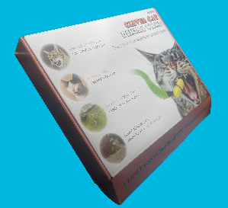
Trading Prices
 |  | Number of Units
Dental Wand Starter Kit |  | 50 | 100 | 250 | 500 | 1000 | 10000
The starter kit contains the Dental Wand, telescopic rod, enzymatic cat toothpaste, 7g bag of catnip, plush worm and manual. | Cost | £16.99 | £16.40 | £15.49 | £14.99 | £13.20 | £10.00
 | RRP | £24.99 | £24.99 | £24.99 | £24.99 | £24.99 | £24.99
 | Margin | 32% | 34% | 38% | 40% | 47% | 60%

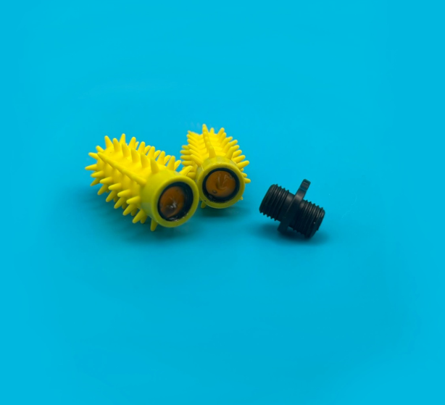
Dental Wand Attachment |  | 50 | 100 | 250 | 500 | 1000 | 10000
The Dental Wand only, used to replace the ones on the starter kit or as an option to turn any wand toy into a health toy. | Cost | £10.50 | £10.10 | £9.45 | £8.98 | £7.60 | £5.30
 | RRP | £13.99 | £13.99 | £13.99 | £13.99 | £13.99 | £13.99
 | Margin | 25% | 28% | 32% | 36% | 46% | 62%
 |  |  | £0.40 | £0.65 | £0.47 | £1.38 | £2.30

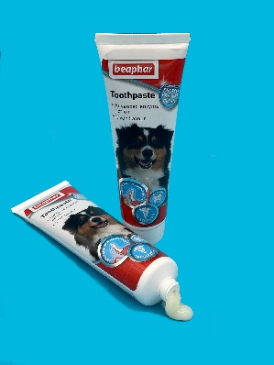
Beaphar Toothpaste |  | 50 | 100 | 250 | 500 | 1000 | 10000
Dual action enzymatic cat and dog toothpaste - liver flavour | Cost | £5.20 | £4.85 | £4.38 | £3.99 | £3.50 | £2.85
 | RRP | £6.89 | £6.89 | £6.89 | £6.89 | £6.89 | £6.89
 | Margin | 24% | 30% | 36% | 42% | 49% | 59%

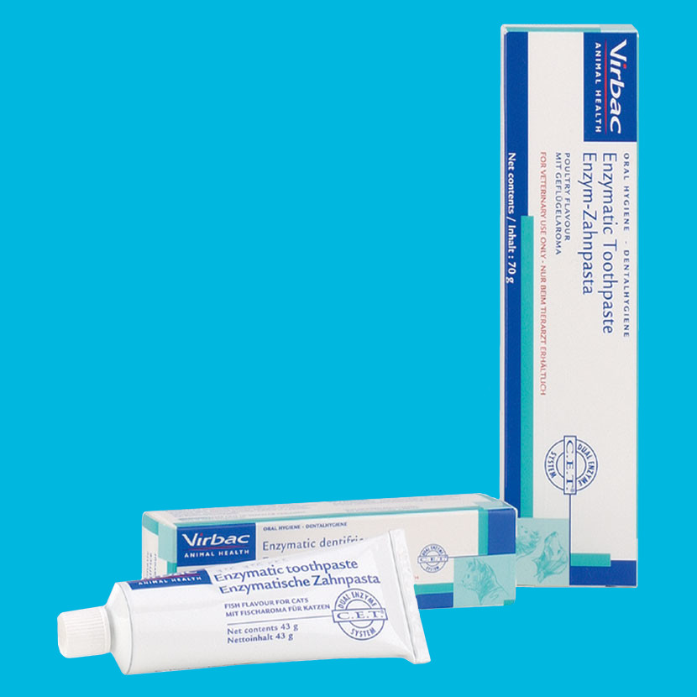
Enzymatic Cat Toothpaste |  | 50 | 100 | 250 | 500 | 1000 | 10000
Dual action enzymatic cat and dog toothpaste - liver flavour | Cost | £6.70 | £6.20 | £5.88 | £5.40 | £5.00 | £4.35
 | RRP | £9.20 | £9.20 | £9.20 | £9.20 | £9.20 | £9.20
 | Margin | 27% | 33% | 36% | 41% | 46% | 53%

VAT
Prices above are excluding VAT

Payment Terms
Invoices must be paid within 30 business days

Handling Time
For items in stock handling time is 3- 5 business days, excluding delivery
For items out of stock, handling time is up to 35 business days, excluding delivery

